BALI PERMATA JAYA (Corona Beer)
DATE | INV NO. | DESCRIPTIONS | AMOUNT | BILLS | PRICE | TOTAL | STATUS
12-Jan-2026 | INV/PERMAQ/26/01/0400 | CORONA BEER | 24 | 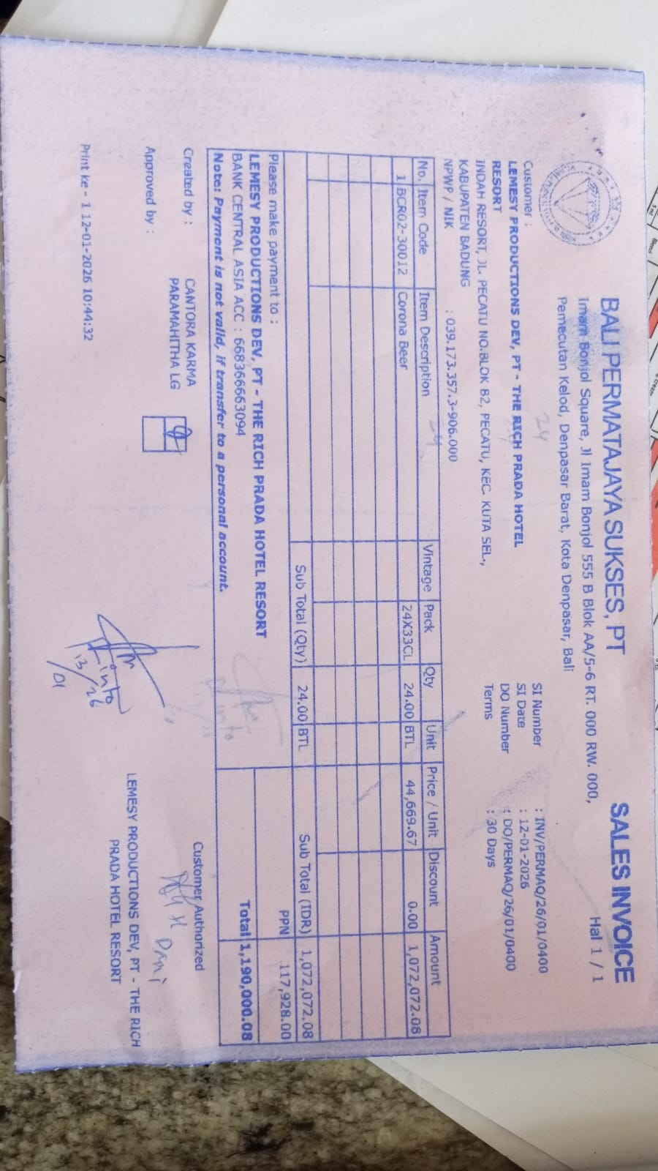 | Rp44,669.67 | Rp1,072,072.08
SUB TOTAL |  |  | 24 |  | PPN | Rp117,927.93
TOTAL |  |  |  | Rp1,190,000.01
26-Jan-2026 | INV/PERMAQ/26/01/0878 | CORONA BEER | 24 | 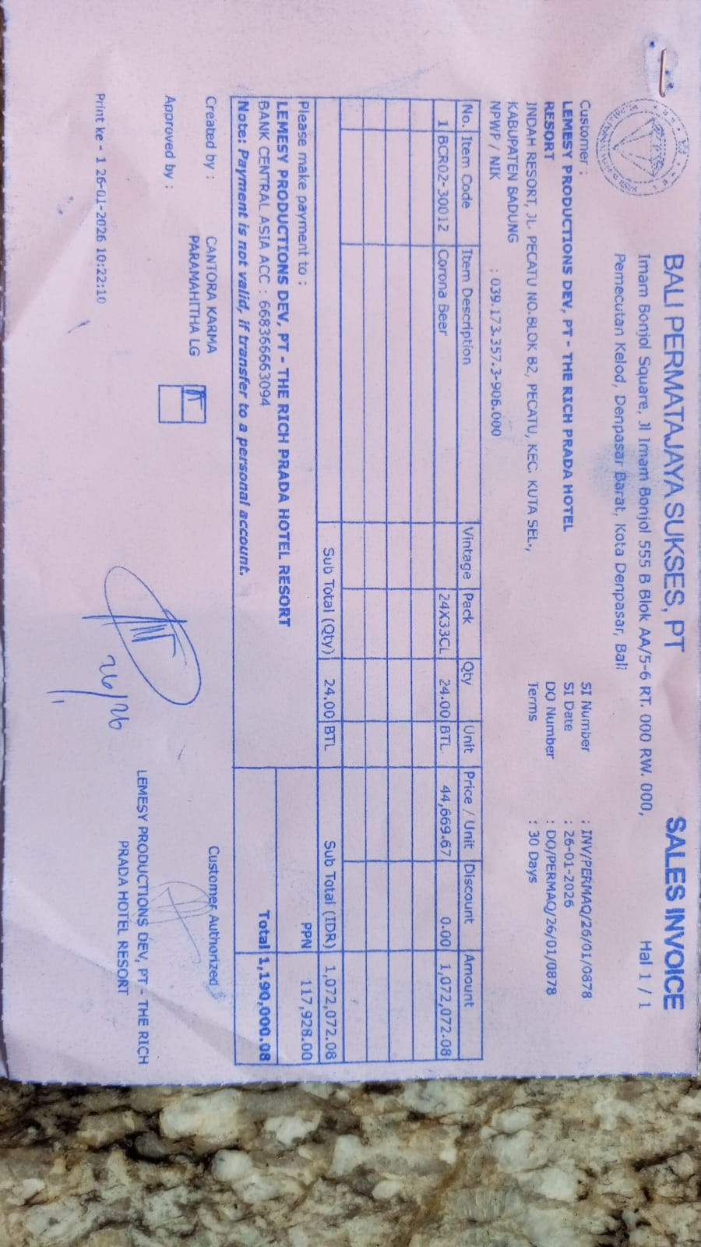 | Rp44,669.67 | Rp1,072,072.08
SUB TOTAL |  |  | 24 |  | PPN | Rp117,927.93
TOTAL |  |  |  | Rp1,190,000.01
 |  |  |  |  |  | Rp0.00
SUB TOTAL |  |  |  |  | PPN | Rp0.00
TOTAL |  |  |  | Rp0.00
 |  |  |  |  |  | Rp0.00
SUB TOTAL |  |  |  |  | PPN | Rp0.00
TOTAL |  |  |  | Rp0.00

SUB TOTAL |  |  |  |  | PPN | Rp0.00
TOTAL |  |  |  | Rp0.00
GRAND TOTAL |  |  |  | Rp2,380,000.16

